SU 13001
University | Ecole Centrale de Lyon |  |  |  | Back to BOM |  |  |  | Car # | 81 |  | Part Cost | $1.45
System | Suspension & Shocks |  | FileLink1 | Drawing |  |  |  |  |  |  |  | Qty | 1
Assembly | Rear Pushrod |  | FileLink2 |  |  |  |  |  | FileLink1
Part | Steel cylinder for pushrod |  | FileLink3 |  |  |  |  |  | FileLink2 |  |  | Extended Cost | $1.45
P/N Base | SU 13001 |  |  |  |  |  |  |  | FileLink3
Suffix | AA
Details

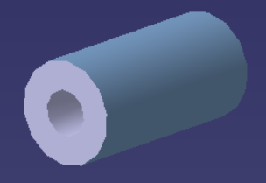
ItemOrder | Material | Use | UnitCost | Size1 | Unit1 | Size2 | Unit2 | Area Name | Area | Length | Density | Quantity | Sub Total
10 | Steel, alloy | Material for part | $2.25 | 0.045 | kg |  |  | Round area, outside diameter 15 mm | 1.77E-04 | 0.030 | 8500 | 1 | $0.10
 |  |  |  |  |  |  |  |  |  |  |  | Sub Total | $0.10

ItemOrder | Process | Use | UnitCost | Unit | Quantity | Multiplier | Mult. Val. | Sub Total
10 | Machining Setup, Install and remove |  | $1.30 | unit | 1 | 2 parts made from a single machine setup | 0.5 | $0.65
20 | Machining (turning) | Machining removal | $0.04 | cm^3 | 1.04 | Material - Steel | 3 | $0.12
30 | Tapping holes | Material removal | $0.35 | hole | 2 | Drill & Tap | 1 | $0.70
40 | Machining setup, change | Setup for machining process | $0.65 | Unit | 1 | 2 parts made from a single machine setup | 0.5 | $0.33
50 | Tapping holes | Material removal | $0.35 | hole | 2 | Drill & Tap | 1 | $0.70
 |  |  |  |  |  |  | Sub Total | $1.35

dSU 13001
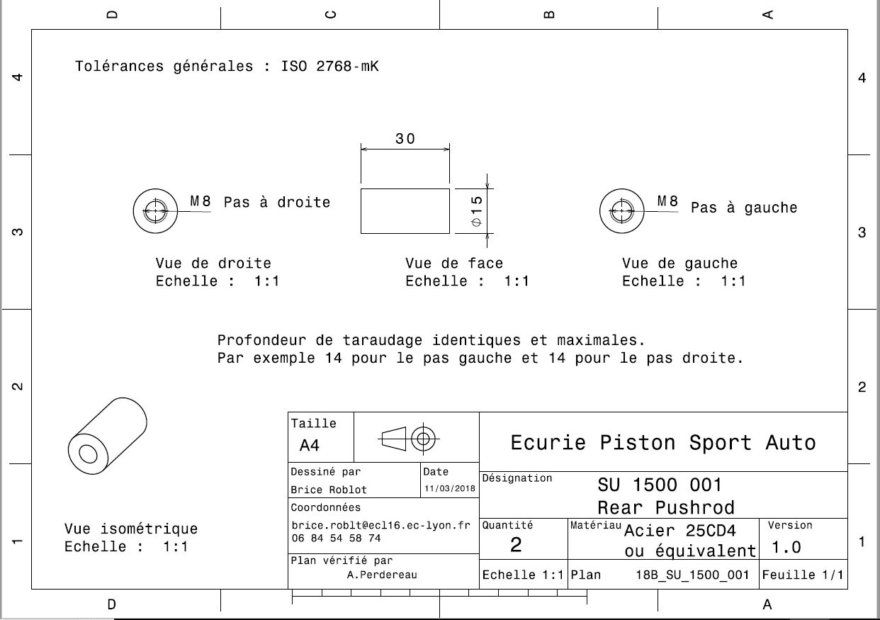
Drawing part:

SU 13002
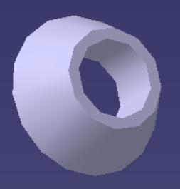
University | Ecole Centrale de Lyon |  |  |  |  | Back to BOM |  |  | Car # | 81 |  | Part Cost | $0.27
System | Suspension & Shocks |  | FileLink1 |  |  |  |  |  |  |  |  | Qty | 4
Assembly | Rear Pushrod |  | FileLink2 |  |  |  |  |  | FileLink1
Part | Spacer |  | FileLink3 |  |  |  |  |  | FileLink2 |  |  | Extended Cost | $1.06
P/N Base | SU 13002 |  |  |  |  |  |  |  | FileLink3
Suffix | AA
Details

ItemOrder | Material | Use | UnitCost | Size1 | Unit1 | Size2 | Unit2 | Area Name | Area | Length | Density | Quantity | Sub Total
10 | Steel, Mild | Material for Part | $2.25 | 0.0095 | kg |  |  | Cylindrical 16 mm diameter | 2.01E-04 | 6.00E-03 | 7,850 | 1.00 | $0.02
 |  |  |  |  |  |  |  |  |  |  |  | Sub Total | $0.02

ItemOrder | Process | Use | UnitCost | Unit | Quantity | Multiplier | Mult. Val. | Sub Total
10 | Machining setup, install and remove |  | $1.30 | unit | 1 | 8 parts made from a single machine setup | 0.125 | $0.16
20 | Machining |  | $0.04 | cm^3 | 0.68 | Material - Steel | 3 | $0.08
 |  |  |  |  |  |  | Sub Total | $0.24

dSU 13002
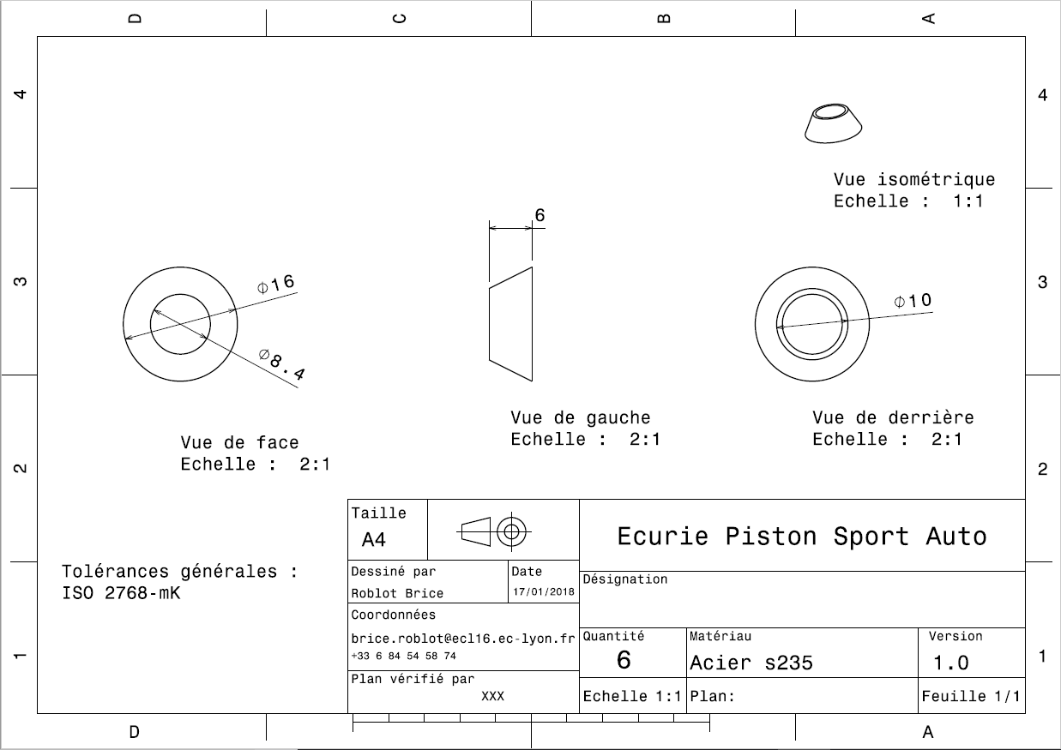
Drawing :

